Learn more...
More on Data Cleanup

 |  | Want to master Excel?
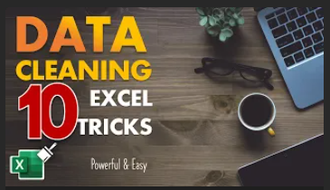
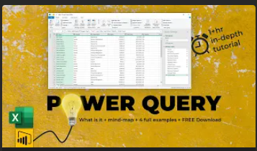


Data Cleaning - Quick Tricks | Power Query - Detailed Lesson | Excel School Program

